Sheet2
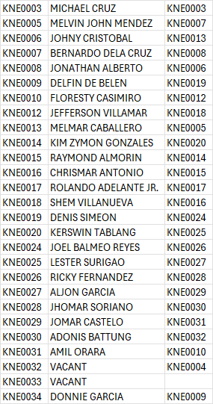
KNE0003 | KNE0005 | KNE0006
+63 9625323384 | +63 9624206352 | +63 9625410860

KNE0007 | KNE0008 | KNE0009
+63 9082174652 | +63 9625344207 | +63 9608338041

KNE0010 | KNE0012 | KNE0013
+63 9624685429 | +63 9624206342 | +63 9624206346

KNE0014 | KNE0015 | KNE0016
+63 9625344211 | +63 9624206351 | +63 9624815309

KNE0017 | KNE0018 | KNE0019
+63 9624206350 | +63 9624337746 | +63 9624279788

KNE0020 | KNE0024 | KNE0025
+63 9626408536 | +63 9624337751 | +63 9624206349

KNE0026 | KNE0027 | KNE0028
+63 9624206348 | +63 9627483141 | +63 9624815303

KNE0029 | KNE0030 | KNE0031
+63 9624206344 | +63 9624864306 | +63 9625344204

KNE0032 | KNE0033 | KNE0034
+63 9625344214 | +63 9626408538 | +63 9082473499

